Example Counting Worksheet
EXAMPLE ONLY Food & Drink Vending Machine
Facility and name of outlet (type answer): N/A
 |  |  |  | Total | Offer Count | Offer % | Display Count | Display % | Policy Requirements for Offer and Display | Compliant for OFFER and DISPLAY (yes/no)
 |  |  | Total Green FOOD and DRINK | 11 | 11 | 31% | 16 | 38% | At least 50% | No
 | Offer | Display | Total Amber FOOD and DRINK | 7 | 7 | 0 | 9 | 21% | N/A | N/A
Total number of Food Items | 23 | 23 | Amber intensely sweetened DRINKS | 2 | 2 | 17% | 4 | 21% | No more than 25% of all drinks | Yes
Total number of Drink Items | 12 | 19 | Red DRINKS | 1 | 1 | 3% | 1 | 2% | No Red drinks | No
Total Food and Drink Items | 35 | 42 | Red FOOD | 16 | 16 | 70% | 16 | 38% | No more than 20% | No
 |  |  |  |  |  |  |  | Overall OFFER and DISPLAY Compliance (Yes/No) |  | No

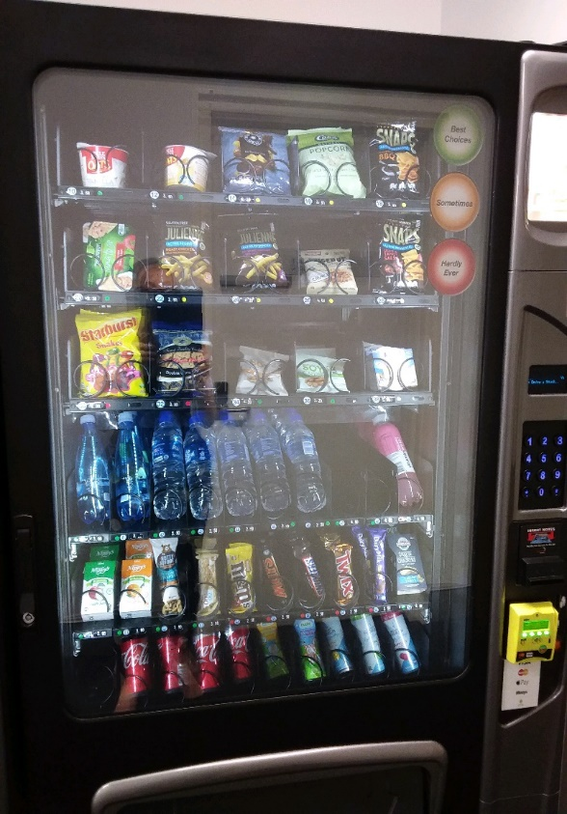
Area | Food or Drink? | Product Type/Brand | Product Description | Drinks Only Serve Size (mL) | Drinks Only Does the product contain intense sweetener? (select option) | Category in the How to Classify Food and Drink guide (select your option) | Classification Green/Amber/Red (select your option) | How many are on offer? | How many are on display? | Notes
Vending 1 | Food | Uncle Toby's Oats | Flavoured - vanilla | N/A |  | Breads & Cereals | Green | 1 | 1
Vending 1 | Food | Uncle Toby's Oats | Flavoured - honey | N/A |  | Breads & Cereals | Green | 1 | 1
Vending 1 | Food | Kettle | Chips | N/A |  | Savoury Snacks | Red | 1 | 1
Vending 1 | Food | Cobs | Popcorn | N/A |  | Savoury Snacks | Amber | 1 | 1
Vending 1 | Food | Pirahna | Snaps - BBQ | N/A |  | Savoury Snacks | Red | 1 | 1
Vending 1 | Food | John West | Tuna to go | N/A |  | Ready-to-eat | Green | 1 | 1
Vending 1 | Food | Pirahna | Julienne - roast chicken | N/A |  | Juice | Red | 1 | 1
Vending 1 | Food | Pirahna | Julienne - salt & vinegar | N/A |  | Nuts | Red | 1 | 1
Vending 1 | Food | Harvest box | Spiced roasted nuts and seeds | N/A |  | Nuts | Red | 1 | 1
Vending 1 | Food | Pirahna | Snaps - Salsa | N/A |  | Savoury Snacks | Red | 1 | 1
Vending 1 | Food | Starburst | Snakes | N/A |  | Sweet Snacks | Red | 1 | 1
Vending 1 | Food | Future Bake | Double choc chip cookie | N/A |  | Sweet Snacks | Red | 1 | 1
Vending 1 | Food | Pirahna | Soy crisps - original | N/A |  | Savoury Snacks | Red | 1 | 1
Vending 1 | Food | Pirahna | Soy crisps - sweet chilli | N/A |  | Savoury Snacks | Red | 1 | 1
Vending 1 | Food | Safcol | Tuna and corn | N/A |  | Ready-to-eat | Green | 1 | 1
Vending 1 | Drink | Nu | Sparkling water | 600 | No | Water-unflavoured | Green | 1 | 2
Vending 1 | Drink | Australian Spring Water | Water | 600 | No | Water-unflavoured | Green | 1 | 5
Vending 1 | Drink | Glaceau | Vitamin water | 600 | No | Sweetened Drinks | Red | 1 | 1
Vending 1 | Drink | Nippy's | Apple Juice | 250 | No | Juice | Amber | 1 | 1
Vending 1 | Drink | Nippy's | Orange Juice | 250 | No | Juice | Amber | 1 | 1
Vending 1 | Food | Nutty Squirrel | Dry roasted cashews | N/A |  | Nuts | Green | 1 | 1
Vending 1 | Food | Fibre one | Peanut butter popcorn bar | N/A |  | Sweet Snacks | Red | 1 | 1
Vending 1 | Food | Cadbury | M&Ms | N/A |  | Sweet Snacks | Red | 1 | 1
Vending 1 | Food | Cadbury | Mars | N/A |  | Savoury Snacks | Red | 1 | 1
Vending 1 | Food | Cadbury | Snickers | N/A |  | Savoury Snacks | Red | 1 | 1
Vending 1 | Food | Cadbury | Twix | N/A |  | Savoury Snacks | Red | 1 | 1
Vending 1 | Food | Cadbury | Dairy milk | N/A |  | Savoury Snacks | Red | 1 | 1
Vending 1 | Food | Mainland | Cheese & crackers | N/A |  | Savoury Snacks | Green | 1 | 1
Vending 1 | Drink | Coca Cola | Coke Zero | 375 | Yes | Sweetened Drinks | Amber | 1 | 2
Vending 1 | Drink | Coca Cola | Diet Coke | 375 | Yes | Sweetened Drinks | Amber | 1 | 2
Vending 1 | Drink | Nudie | Orange juice | 250 | No | Juice | Amber | 1 | 1
Vending 1 | Drink | Nudie | Apple juice | 250 | No | Juice | Amber | 1 | 1
Vending 1 | Drink | Mount Franklin | Mango | 250 | No | Water-flavoured | Green | 1 | 1
Vending 1 | Drink | Mount Franklin | Lime | 250 | No | Water-flavoured | Green | 1 | 1
Vending 1 | Drink | Mount Franklin | Raspberry | 250 | No | Water-flavoured | Green | 1 | 1

